AB data
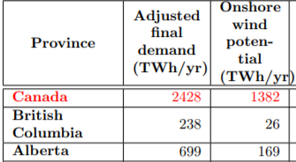
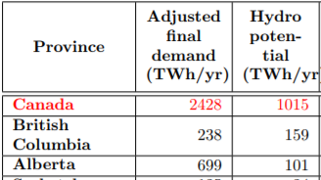
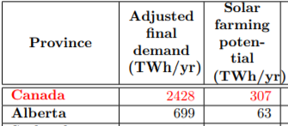
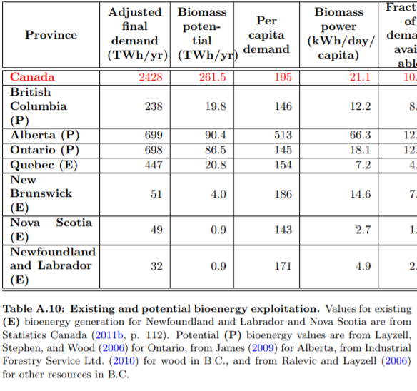
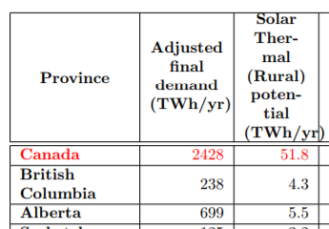
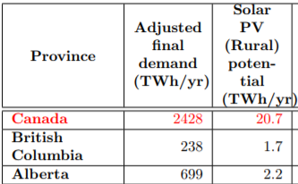
Technology type | RE potential (TWh/year) | Capacity factor (%) | Arbitrary factor | Capacity (MW)
Onshore wind | 169 | 33% | 2.0 | 118,357
Offshore wind | 0 | 33% |  | -
Hydro | 101 | 24% | 1.5 | 73,282
Solar farming | 63 | 15% | 2.0 | 95,890
Solar PV (Rural) | 2.2 | 15% | 2.0 | 3,349
Biomass | 90.4 | 86% | 2.0 | 23,971
Wave | 0 | 10% |  | -
Tidal | 0 | 15% |  | -
Solar thermal (rural) | 5.5 | 15% | 1.5 | 6,279

Note:
For capacity factors, see BECF variable
Arbitrary factors account for the possible increase in potential (based on new studies, new technology developments, etc)

Source for data below: | http://wellbeing.ihsp.mcgill.ca/publications/Barrington-Leigh-Ouliaris-IAEE2016.pdf

